Sheet2
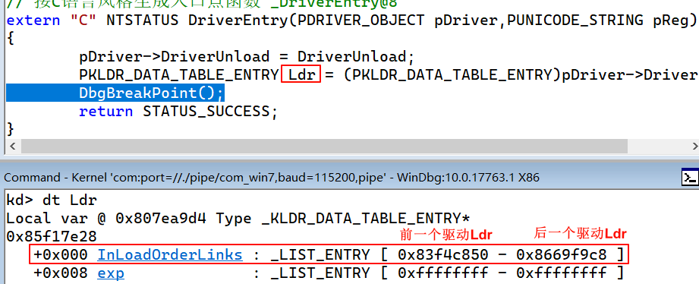
win7 32位
typedef struct _KLDR_DATA_TABLE_ENTRY {
LIST_ENTRY InLoadOrderLinks;
LIST_ENTRY exp;
ULONG un;
ULONG NonPagedDebugInfo;
ULONG DllBase; // 模块地址
ULONG EntryPoint; // 入口点
ULONG SizeOfImage;
UNICODE_STRING FullDllName; // 路径
UNICODE_STRING BaseDllName; // 名字
ULONG Flags;
USHORT LoadCount; // 加载的次数
USHORT __Undefined5;
ULONG __Undefined6;
ULONG CheckSum;
ULONG TimeDateStamp;
} KLDR_DATA_TABLE_ENTRY, *PKLDR_DATA_TABLE_ENTRY;

Sheet3
#include <ntifs.h>
#include <ntstrsafe.h>
typedef struct _KLDR_DATA_TABLE_ENTRY {
LIST_ENTRY InLoadOrderLinks;
LIST_ENTRY exp;
ULONG un;
ULONG NonPagedDebugInfo;
ULONG DllBase;
ULONG EntryPoint;
ULONG SizeOfImage;
UNICODE_STRING FullDllName;
UNICODE_STRING BaseDllName;
ULONG Flags;
USHORT LoadCount;
USHORT __Undefined5;
ULONG __Undefined6;
ULONG CheckSum;
ULONG TimeDateStamp;
} KLDR_DATA_TABLE_ENTRY, *PKLDR_DATA_TABLE_ENTRY;
VOID DriverUnload(_In_ struct _DRIVER_OBJECT *DriverObject)
{
DbgPrint("DriverUnload\n");
}
// 按C语言风格生成入口点函数 _DriverEntry@8
extern "C" NTSTATUS DriverEntry(PDRIVER_OBJECT pDriver,PUNICODE_STRING pReg)
{
pDriver->DriverUnload = DriverUnload;
PKLDR_DATA_TABLE_ENTRY CurrentLdr = (PKLDR_DATA_TABLE_ENTRY)pDriver->DriverSection;
PKLDR_DATA_TABLE_ENTRY NextLdr = (PKLDR_DATA_TABLE_ENTRY)CurrentLdr->InLoadOrderLinks.Blink;
INT DriverCount = 0;
DbgPrintEx(77, 0, "[TD]:%d,%wZ\n", DriverCount++, &CurrentLdr->FullDllName);
while (CurrentLdr != NextLdr) {
DbgPrintEx(77, 0,"[TD]:%d,%wZ\n", DriverCount++, &NextLdr->FullDllName);
NextLdr = (PKLDR_DATA_TABLE_ENTRY)NextLdr->InLoadOrderLinks.Blink;
}
// DbgBreakPoint();
return STATUS_SUCCESS;
}

Sheet4
#include <ntifs.h>
#include <ntstrsafe.h>
typedef UCHAR BOOL;
typedef struct _KLDR_DATA_TABLE_ENTRY {
LIST_ENTRY InLoadOrderLinks;
LIST_ENTRY exp;
ULONG un;
ULONG NonPagedDebugInfo;
ULONG DllBase;
ULONG EntryPoint;
ULONG SizeOfImage;
UNICODE_STRING FullDllName;
UNICODE_STRING BaseDllName;
ULONG Flags;
USHORT LoadCount;
USHORT __Undefined5;
ULONG __Undefined6;
ULONG CheckSum;
ULONG TimeDateStamp;
} KLDR_DATA_TABLE_ENTRY, *PKLDR_DATA_TABLE_ENTRY;
// 通过名字找到内核对象(该函数未文档化 需自己申明)
extern "C" NTKERNELAPI NTSTATUS ObReferenceObjectByName(
__in PUNICODE_STRING ObjectName,
__in ULONG Attributes,
__in_opt PACCESS_STATE AccessState,
__in_opt ACCESS_MASK DesiredAccess,
__in POBJECT_TYPE ObjectType,
__in KPROCESSOR_MODE AccessMode,
__inout_opt PVOID ParseContext,
__out PVOID *Object
);
VOID DriverUnload(_In_ struct _DRIVER_OBJECT *DriverObject)
{
DbgPrint("DriverUnload\n");
}
BOOL HideDriver(PWCH Wch);
extern "C" POBJECT_TYPE *IoDriverObjectType;
// 按C语言风格生成入口点函数 _DriverEntry@8
extern "C" NTSTATUS DriverEntry(PDRIVER_OBJECT pDriver,PUNICODE_STRING pReg)
{
pDriver->DriverUnload = DriverUnload;
//PWCH pwDriverName = L"pchunter32aq.sys"; // 断链pchunter.exe出现报错，无响应
PWCH pwDriverName = L"http.sys";
PWCH pwDriverPath = L"\\Driver\\http";
UNICODE_STRING usDriverName = { 0 };
UNICODE_STRING usDriverPath = { 0 };
RtlInitUnicodeString(&usDriverName,pwDriverName);
RtlInitUnicodeString(&usDriverPath,pwDriverPath);
PDRIVER_OBJECT ObjPDriver = NULL;
PKLDR_DATA_TABLE_ENTRY CurrentLdr = (PKLDR_DATA_TABLE_ENTRY)pDriver->DriverSection;
PKLDR_DATA_TABLE_ENTRY NextLdr = (PKLDR_DATA_TABLE_ENTRY)CurrentLdr->InLoadOrderLinks.Blink;
while (CurrentLdr != NextLdr) {
//DbgPrintEx(77, 0, "[TD]:%wZ\n", &NextLdr->BaseDllName);
if (RtlCompareUnicodeString(&usDriverName,&NextLdr->BaseDllName,TRUE)==0
&& NextLdr->BaseDllName.Length != 0)
{
// 通过名字找到内核对象(该函数未文档化 需自己申明),参数1 \\driver\\xxx 驱动对象路径
NTSTATUS status = ObReferenceObjectByName(&usDriverPath,FILE_ALL_ACCESS, 0, 0, *IoDriverObjectType, KernelMode, NULL,(PVOID*)&ObjPDriver);
// 在将指定的驱动对象的一些属性抹除
if (NT_SUCCESS(status)) {
RemoveEntryList(&NextLdr->InLoadOrderLinks); // 移除链表中的某一项
ObjPDriver->DriverInit = NULL;
ObjPDriver->DriverSection = NULL;
ObjPDriver->Type = 0;
ObDereferenceObject(ObjPDriver); // 释放引用对象
DbgPrintEx(77, 0,"[TD]:已移除 %wZ\n", &NextLdr->BaseDllName);
return STATUS_SUCCESS;
}
return -1;
}
NextLdr = (PKLDR_DATA_TABLE_ENTRY)NextLdr->InLoadOrderLinks.Blink;
}
// DbgBreakPoint();
return STATUS_SUCCESS;
}

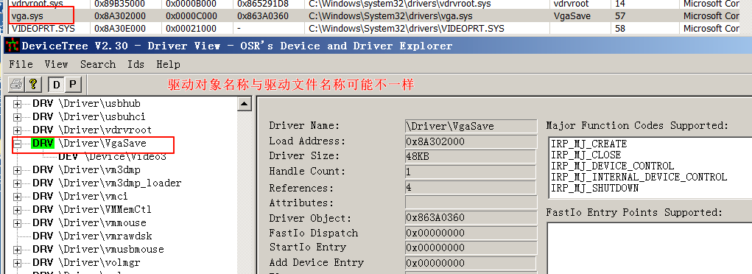

隐藏自身、PCHunter32aq
#include <ntifs.h>
#include <ntstrsafe.h>
typedef UCHAR BOOL;
typedef struct _KLDR_DATA_TABLE_ENTRY {
LIST_ENTRY InLoadOrderLinks;
LIST_ENTRY exp;
ULONG un;
ULONG NonPagedDebugInfo;
ULONG DllBase;
ULONG EntryPoint;
ULONG SizeOfImage;
UNICODE_STRING FullDllName;
UNICODE_STRING BaseDllName;
ULONG Flags;
USHORT LoadCount;
USHORT __Undefined5;
ULONG __Undefined6;
ULONG CheckSum;
ULONG TimeDateStamp;
} KLDR_DATA_TABLE_ENTRY, *PKLDR_DATA_TABLE_ENTRY;
// 通过名字找到内核对象(该函数未文档化 需自己申明)
extern "C" NTKERNELAPI NTSTATUS ObReferenceObjectByName(
__in PUNICODE_STRING ObjectName,
__in ULONG Attributes,
__in_opt PACCESS_STATE AccessState,
__in_opt ACCESS_MASK DesiredAccess,
__in POBJECT_TYPE ObjectType,
__in KPROCESSOR_MODE AccessMode,
__inout_opt PVOID ParseContext,
__out PVOID *Object
);
VOID DriverUnload(_In_ struct _DRIVER_OBJECT *DriverObject)
{
DbgPrint("DriverUnload\n");
}
BOOL HideDriver(PWCH pwDriverPath);
VOID ThreadProc(PVOID Parameter);
// ObReferenceObjectByName函数需要传入 IoDriverObjectType(是一个内核中全局对象，使用extern 导入这个全局对象)
extern "C" POBJECT_TYPE *IoDriverObjectType;
// 按C语言风格生成入口点函数 _DriverEntry@8
extern "C" NTSTATUS DriverEntry(PDRIVER_OBJECT pDriver, PUNICODE_STRING pReg)
{
pDriver->DriverUnload = DriverUnload;
HANDLE HandleThread = NULL;
NTSTATUS status = PsCreateSystemThread(&HandleThread, THREAD_ALL_ACCESS, NULL, NULL, NULL, ThreadProc, NULL);
if (NT_SUCCESS(status)) {
NtClose(HandleThread);
}
// DbgBreakPoint();
return STATUS_SUCCESS;
}
BOOL HideDriver(PWCH pwDriverPath) {
LARGE_INTEGER Timeout;
Timeout.QuadPart = -10000*5000; // 等待 1 秒钟
// 等待一段时间，让线程执行一些操作
KeDelayExecutionThread(KernelMode, FALSE, &Timeout);
UNICODE_STRING usDriverPath = { 0 };
RtlInitUnicodeString(&usDriverPath, pwDriverPath);
PDRIVER_OBJECT ObjPDriver = NULL;
// 通过名字找到内核对象(该函数未文档化 需自己申明),参数1 \\driver\\xxx
NTSTATUS status = ObReferenceObjectByName(&usDriverPath, FILE_ALL_ACCESS, 0, 0, *IoDriverObjectType, KernelMode, NULL, (PVOID*)&ObjPDriver);
// 在将指定的驱动对象的一些属性抹除
if (NT_SUCCESS(status)) {
PKLDR_DATA_TABLE_ENTRY Ldr = (PKLDR_DATA_TABLE_ENTRY)ObjPDriver->DriverSection;
RemoveEntryList(&Ldr->InLoadOrderLinks);// 移除链表中的某一项
ObjPDriver->DriverInit = NULL;
//ObjPDriver->DriverSection = NULL;
ObjPDriver->DriverSection = Ldr->InLoadOrderLinks.Flink;
ObDereferenceObject(ObjPDriver);
DbgPrintEx(77, 0, "[TD]:已移除 %wZ\n", &Ldr->BaseDllName);
return STATUS_SUCCESS;
}
return -1;
}
VOID ThreadProc(PVOID Parameter) {
//HideDriver(L"\\driver\\http");
HideDriver(L"\\driver\\PCHunter32aq"); // 隐藏PCHunter32aq
//HideDriver(L"\\driver\\Testdriver"); // 隐藏自身
PsTerminateSystemThread(STATUS_SUCCESS);
}

Sheet5
